Sample
AGCO NA Packaging Data Sheet

 | SUPPLIER INFORMATION
 | COMPANY NAME | XYZ Company
 | AGCO SUPPLIER NO.: | 088800
 | ADDRESS: | 2500 ABC Street
 | CONTACT NAME: | John Smith
 | EMAIL: | john.smith@xyzcompany.com
 | TELEPHONE: | (888) 888-8888

 | PRODUCT DATA
 | AGCO PART NUMBER: | 7007418524
 | AGCO PART DESCRIPTION: | SEAT GP-DELUXE
 | WEIGHT/PART (lbs.): | 270

 | PACKAGING DATA
 |  |  | BASIC PACKAGING |  |  | TRANSPORT PACKAGING
 | PACKAGING MATERIAL: |  | Plastic bag |  |  | Corrugated cardboard
 | UNIT LOAD QTY: |  | 1 |  |  | 1
 | GROSS WEIGHT (lbs.): |  | 0.01 |  |  | 15
 | OTHER PKG MATERIAL: |  | N/A |  |  | Wood pallet
 | OTHER PKG MATERIAL: |  | N/A |  |  | Poly strap
 |  |  | L | W | H | L | W | H
 | EXTERNAL DIMENSIONS (inch): |  | - | - | - | 27 | 27 | 33
 | OVERALL PACKAGING COST ($) |  | $$$

 | PHOTOS (PART(s), BASIC PACKAGING, TRANSPORT PACKAGING, SHIPPING LABEL, ETC.)
 | 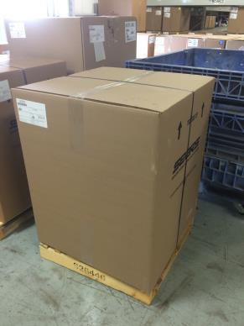 

 | COMMENTS

 | CONFIRMED BY SUPPLIER
 | NAME |  |  |  | DATE
 | John Smith |  |  |  | MM/DD/YYYY

